Sheet1
Sl No | Description of the improvement | Reference
1 | Here should have an eye button for the user to make the password visible and hide | 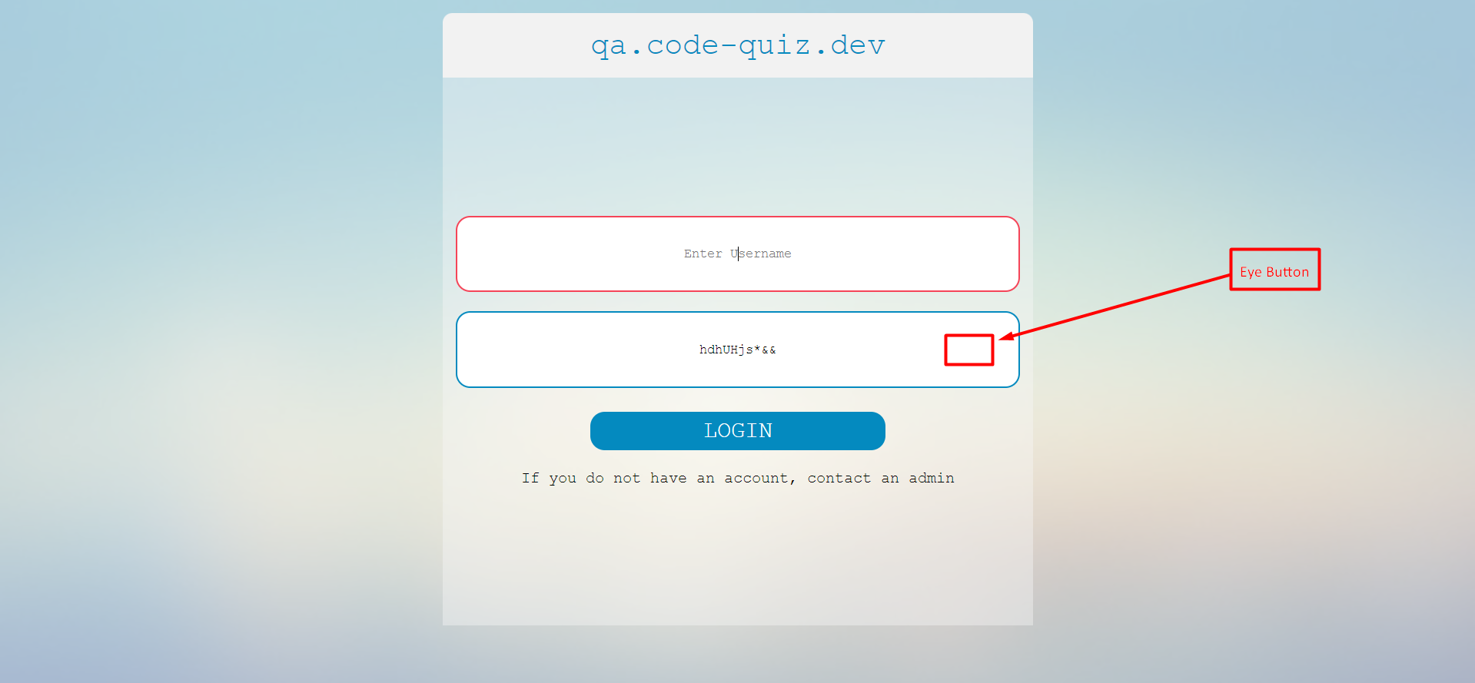
2 | There should have a character limit for username text field | 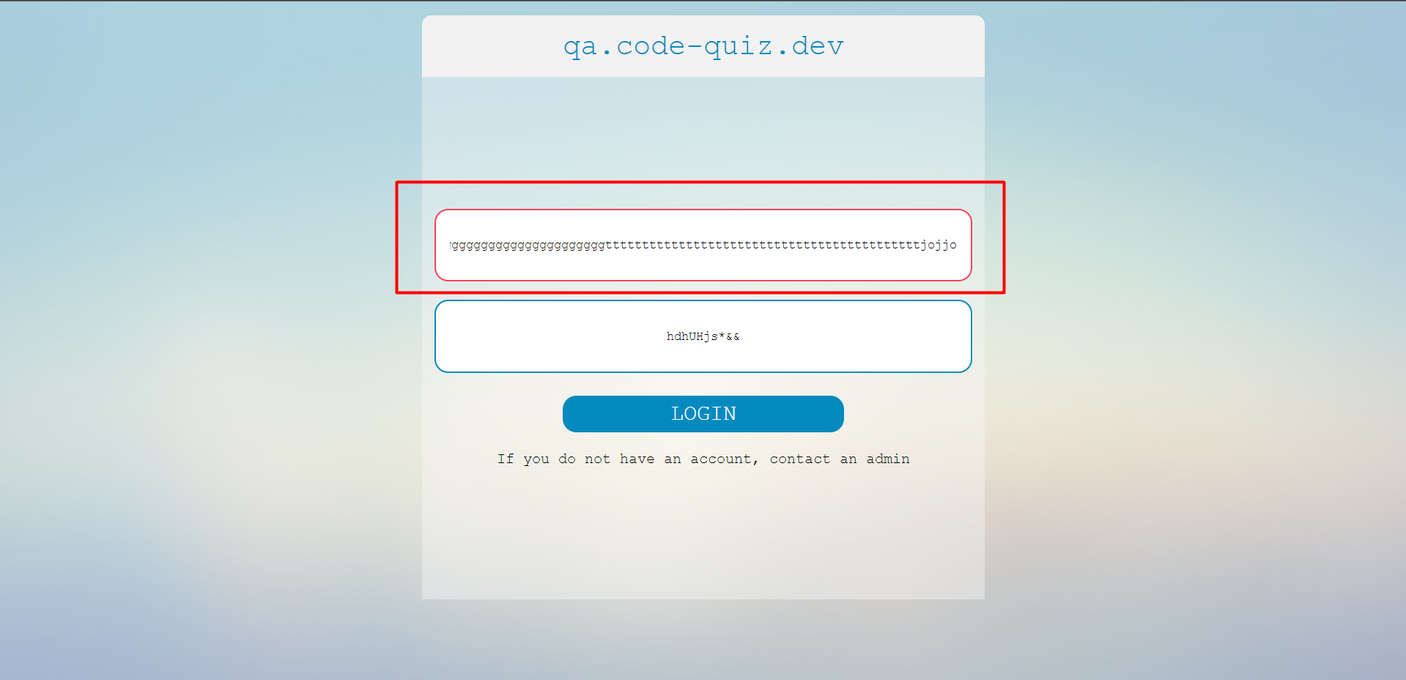
3 | Need a way to contact system admin who doesn’t have an account | 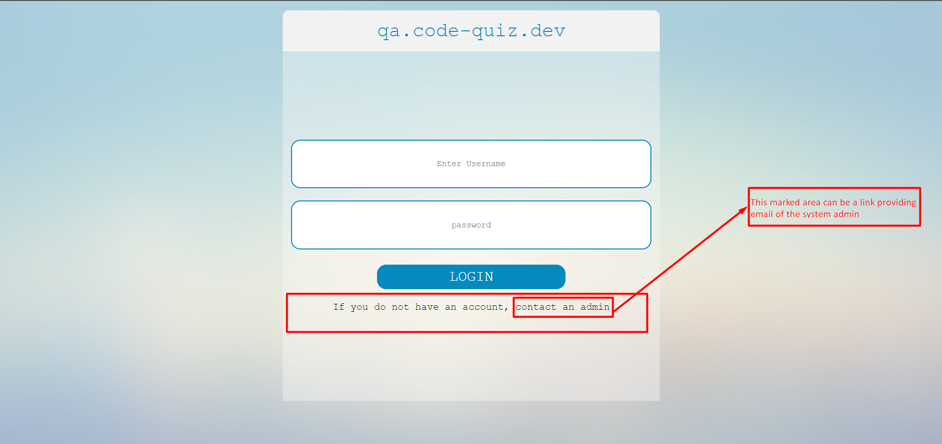
4 | Lower two edges could be curved as top | 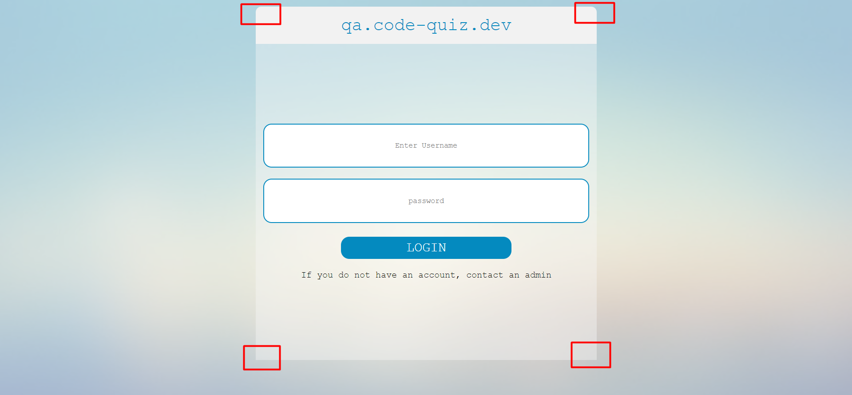
5 | Log In button text should be "LOG IN" or "Log In" Instead of LOGIN | 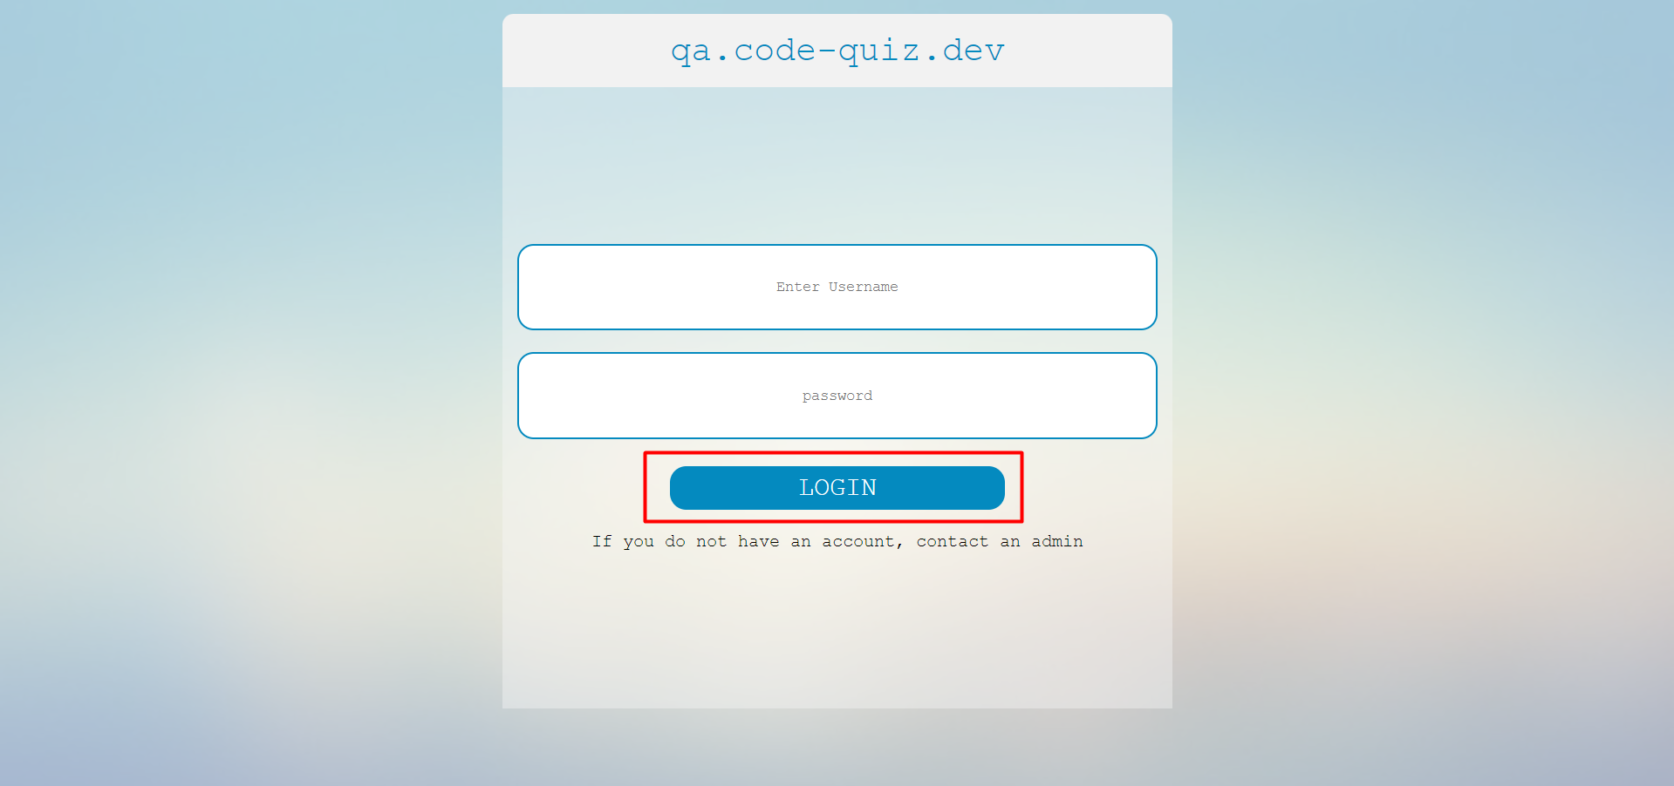
6 | First alphabet of placeholder of password field should be capital letter | 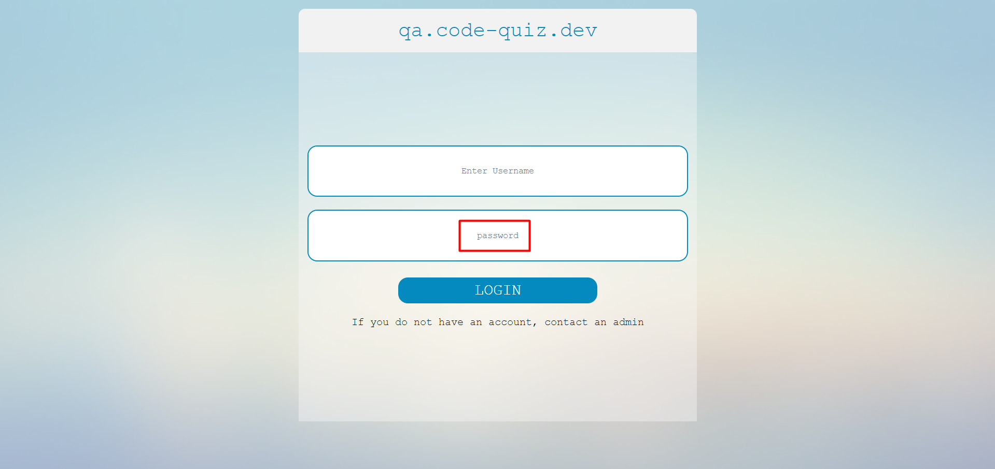
7 | Need a alert message for providing wrong credentials to log in | 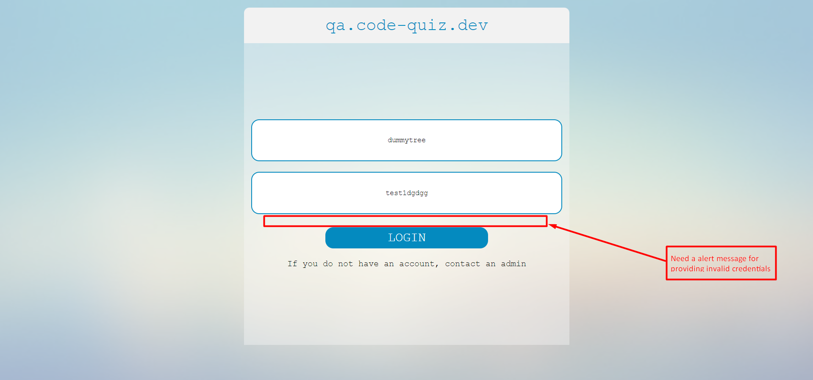
8 | Name should not keep blank, if user didn't put name then marked it as undefined or N/A | 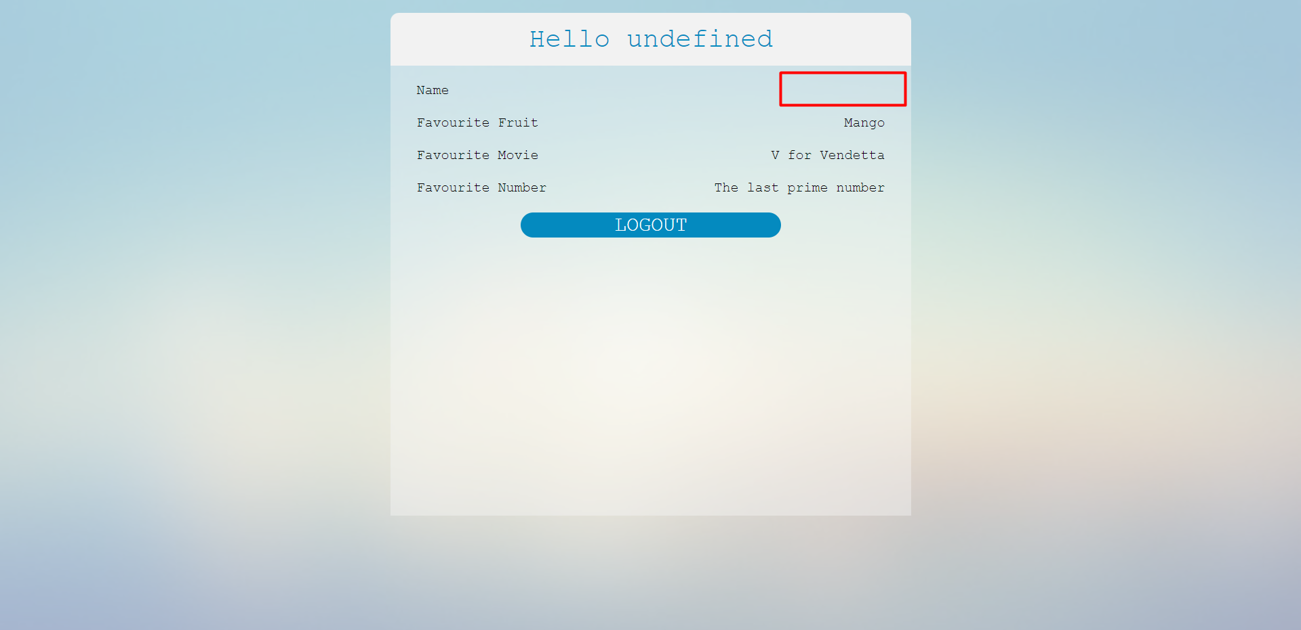
9 | Log Out button text should be "LOG OUT" or "Log Out" Instead of LOGOUT | 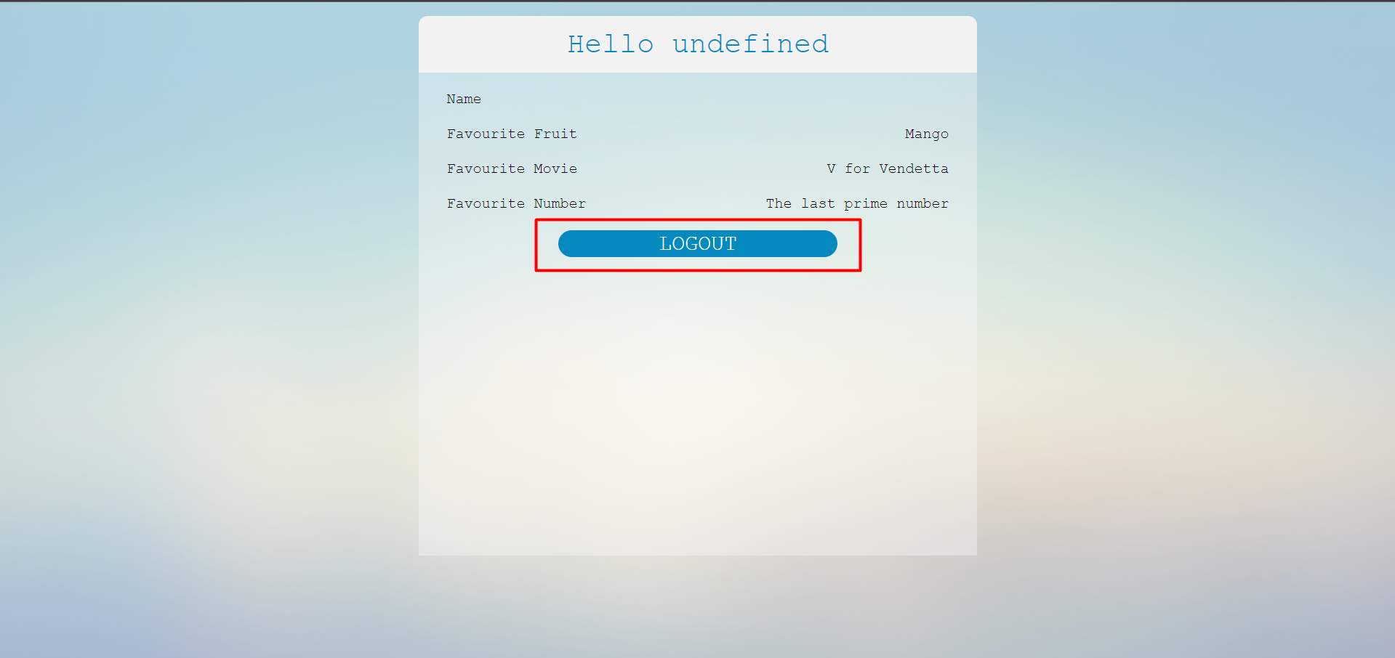
10 | Hover effect can be added on Log in and Log out button for better user experience | N/A

